DEFECTS
ID | Date Reported | Interface | Scenario Type | Bug Type | Status | Window Column(s) | Summary | Defect (NG Display, Scenario) | Testing Comments | Date Retest | Retest Pass/Fail | BSA Comments | Dev Comments
1 | 2025-10-22 | Both | Functionality | Major | Resolved | Window | Window Load Time | CRMD: 6 seconds CRMQ: 40 seconds | CRMD: 2 seconds CRMQ: 35 seconds | 2025-11-13 | Pass | 10/29: devs to review 11/13: Pass. 4 seconds to load in CRMQ! | 11/6 SM - loads slow 1st time, but ~3s after
2 | 2025-10-22 | Both | Functionality | Major | Resolved | Window | Load Time - Results Expected | 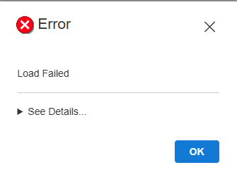 CRMD 10/10/25 - 10/20/25 Job ID All: (Morning) 50 seconds to load 19,712 rows. (~4:50pm) 74 seconds to load 19,712 rows. CRMQ 10/21/25 - 10/21/25 Job ID All: 24 seconds to load 833 rows. CRMQ 10/19/25 - 10/20/25 Job ID All: Load failed at 100 seconds. Error message appears. After closing the window, data section will display "No records to display" | 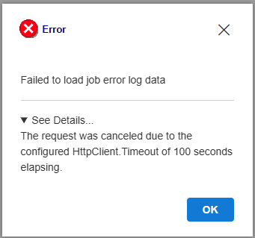 CRMD 10/10/25 - 10/20/25 Job ID All: (Morning and ~5pm) 4 seconds to load a 19,712 rows. CRMQ: 10/21/25 - 10/21/25 Job ID All: 19 seconds to load 833 rows. CRMQ 10/19/25 - 10/20/25 Job ID All: 35 seconds to load 123,785 rows. - 1 image for this defect | 2025-12-10 | Pass with Comments | 10/29: retest later this week; should receive timeout message instead of unexpected error 11/13: CRMD 10/10 - 10/20 load time is 9 seconds. CRMQ 10/21/25 load time is 20 seconds, which matches Vision. CRMQ 10/19 - 10/20 throws error message the first time loading, then successfully loads in ~95 seconds. CRMQ 10/26 - 10/27 fails first time. Error message is updated: 11/24: Devs to fix with indexing 12/4: After index/ mass datafix: CRMQ old window 10/19 - 10/20: 20-22 seconds 12/11: CRMQ 12/1 - 12/11 notice ftp driver 6314 rows: 8 seconds blazor in PB, 7 seconds blazor web, 2 seconds existing | 10/29 SM - error message are more descriptive now 12/1 SM - will add indexing with next build to the table, but this is not NG related.
3 | 2025-10-22 | Both | Functionality | Major | Resolved | Window | Minimize/ Maximize Vision Application | 1. Minimize Vision application 2. Use other windows on device 3. Select Vision Application 4a. Job Error Log window opens, shows white, then after 7-8 seconds will show the window again. 4b. Job Error Log window shows white, then after 4 seconds will show previous information. 5. Selecting window after these steps causes lag. | Job Error Log window is immediately available. There is no lag when selecting rows. | 2025-11-13 | Pass |  | 11/6 SM - not addressed. I don't recall what was discussed during the qa meeting for this.
4 | 2025-10-22 | Both | Functionality | Minor | No Action | Error / No Results Found messages | Window level buttons work when popup appears | 1. Search for invalid criteria or criteria with no results. 2. Applicable display message appears. 3. Select window level minimize, maximize, and "X" button - all buttons work. | The window level buttons are disabled when any messages appear. |  |  | 10/29: leave as-is
5 | 2025-10-24 | Both | Functionality | Minor | No Action | Error / No Results Found messages | Other Vision areas work when popup appears | 1. Search for invalid criteria or criteria with no results. 2. Applicable display message appears. 3. Select another window, a first row icon, or any menus in Vision - all options are selectable. | All other functionality is disabled. |  |  | 10/29: leave as-is
6 | 2025-10-23 | Both | Functionality | Minor | No Action | Search field "To Date:" | Restricted to <= Sysdate | 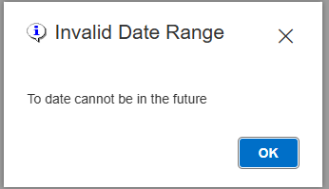 Calendar Date selections are restricted to be <= sysdate. | Existing window does not have this validation. - 1 image included |  |  | 10/29: leave as-is
7 | 2025-10-21 | Both | Functionality | Major | Resolved | Vision level "X" | Job Error window only closes | Selecting the Vision level "X" closes the Job Error Log window only. | Selecting Vision level "X" closes Vision application. | 2025-11-13 | Pass | 10/29: devs to fix | 10/30 SM - has been addressed via vision update
8 | 2025-10-22 | Both | Functionality | Major | Resolved | Window | Page Up/Down keys vs scrolling | Using page up and page down has no effect on the window. | Using page up and page down moves the data to the first row outside of the visible datawindow. | 2025-11-13 | Pass |  | 10/31 SM - addressed. Note, other windows use F7, F8, etc.
9 | 2025-10-22 | Both | Functionality | Major | Resolved | Window | Up and Down keys | Using up and down keys on the top most or bottom most row displays, the next available row. The second key press of the same key displays the next 7 rows. | Using up and down keys on the top most and bottom most row displays the next available row each iteration. | 2025-11-13 | Pass with Comments | 11/13: Changes work. However, if you hold the up or down arrow for a long time, the scroll is eventually slower than the up/ down arrow. This causes the highlighted cell to no longer appear in the view. Might need to be addressed by SyncFusion, but this is very minor and a user would likely not do this. 11/24: lazy load | 10/31 SM - addressed. Note, other windows use F7, F8, etc.
10 | 2025-10-22 | Both | Functionality | Major | No Action | Window | Loading During Deployment | 1. Open window and update search fields for valid search. 2. Select "Search" button 3. Changes deployed 4. "Rejoining the server..." message appears and window does not load the search. |  |  |  | 10/29: devs to send notices of deployment; deployments to be done COB hours
11 | 2025-10-22 | Both | Functionality | Major | Resolved | Window level "X" | Slow to close window | Window close takes ~1 second. | Window closes instantly. | 2025-11-13 | Pass
12 | 2025-10-22 | Both | UI | Minor | No Action | "..." button | "..." button color | "..." button color is dark blue with white font. "..." text width is significantly smaller than the button width. | "..." button color is light blue with white border. Font color is dark blue. "..." text width takes up most of the button width. When a row is highlighted, the button color is identical to the highlight color. This makes it difficult to see the button. |  |  | 10/29: leave as-is
13 | 2025-10-22 | Both | UI | Minor | Resolved | "..." column | "..." column is in the "Additional Info" column | The "..." field is in the "Additional Info" column. | The "..." field is a separate unlabelled column between "Additional Info" and "Alert Type" | 2025-11-13 | Pass | 10/29: devs to address so it fixes ID #15 | 10/29 SM - addressed. New unlabeled column added
14 | 2025-10-22 | Both | UI | Minor | No Action | Alert Type | Header Display | The "T" and "y" in alert type overlap due to the large font size. | 1 image for this defect |  |  | 10/29: leave as-is
15 | 2025-10-22 | Both | UI | Minor | No Action | All Columns | Column values cutoff | Column values cut off at the same character count as the existing window. | Column values cut off at the end of the column width. |  |  | 10/29: leave as-is
16 | 2025-10-22 | Both | UI | Minor | No Action | All Columns | Data section background color | Data section background color is white. | Data section background color is light blue to white gradient from top to bottom. |  |  | 10/29: leave as-is; just ensure consistency across screens
17 | 2025-10-22 | Both | UI | Minor | No Action | All Columns | Column header colors | Column header color
18 | 2025-10-22 | Both | UI | Minor | No Action | All Columns | Right click | Right clicking a field will highlighted the selected cell. | Right clicking a field will have the same functionality as left click - highlighting the row in blue. |  |  | 10/29: leave as-is
19 | 2025-10-23 | Both | UI | Minor | No Action | Calendar Icon | Colors/ Style Differ | 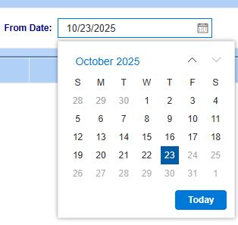 Some UI elements differ between Blazor and Vision calendars. 1. Calendar header displays the date/ month/ year range on the top left corner in blue font. 2. Calendar header displays aup and down facing carrot icons. 3. Day of the week column headers use 1 letter abbreviations. 4. "Today" button is a blue button on the bottom right with white font within the button. 5. Year, decade, and century level results show months, years, and decades in light grey boxes with black text respectively. 6. Selected Day/ Month/ Year/ Decade is blue with white font. | 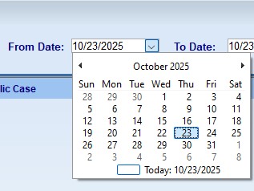 Some UI elements differ between Blazor and Vision calendars. 1. Calendar header displays the date/ month/ year range towards the center in black font. 2. Calendar header displays left and right facing arrows on the left and right side of the calendar header. 3. Day of the week column headers use 3 letter abbreviations. 4. "Today" button is a white with a light blue border, centered with black text "Today: MM/DD/YYYY". 5. Year, decade, and century level results have no color differences. 6. Selected Day/ Month/ Year/ Decade is light blue with darker blue border and black font. - 2 images included: One in column H and one in column I. |  |  | 10/29: leave as-is
20 | 2025-10-23 | Both | UI | Minor | No Action | Calendar Icon | Highlighted Value | 1. Select calendar icon to open calendar. 2. Select month on the top to expand search to months in the current calendar year. 3. Select the down up arrow to switch back to the previous calendar year - previously selected month is highlighted. - This occurs for Year/ Decade searches as well. | 1. Months view: January is highlighted. 2. Years view: years with a multiple of 10 are highlighted. 3. Decades view: the %00 - %10 option is highlighted. |  |  | 10/29: leave as-is
21 | 2025-10-21 | Both | Functionality | Minor | No Action | Calendar on Search fields "From Date:" and "To Date:" | Locked Date Range | 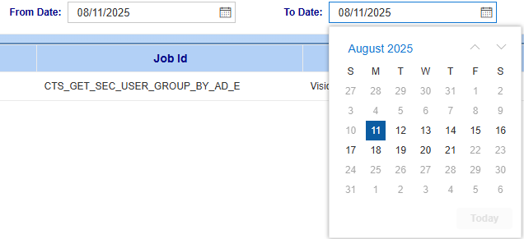 After a valid "From Date:" value is entered, "To Date:" calendar selection is restricted to be on or 10 days after the "From Date:". | This could be a good feature since job error log window is very slow in CRMQ/ CRMP, but this is not in the existing window. - 1 image for this defect |  |  | 10/29: leave as-is | 11/6 SM - left as-is
22 | 2025-10-22 | Both | UI | Minor | No Action | N/A | Window Resizing | Decreasing the window size, then increasing the window size causes the alert type column to display twice. |  |  |  | 10/29: leave as-is for now (move to different cattegory to be addressed later)
23 | 2025-10-22 | Both | UI | Minor | No Action | Search button | Search button color | Search button is dark blue with white font. | Search button has, top to bottom, white to light blue gradient, navy blue font, and the 'S' in 'Search' is underlined. |  |  | 10/29: leave as-is
24 | 2025-10-22 | Both | UI | Minor | No Action | Search button | Search button font size | Search button font size is ~10. | Search button font size is ~12. |  |  | 10/29: leave as-is
25 | 2025-10-21 | Both | UI | Major | Resolved | Search field "Job Id:" | Typing value into search field | After typing values into "Job Id:" field, the results appear for the first character only unless you type characters in rapid succession, ~1/6th of a second apart. | Existing window allows ~2/3rds of a second between characters. | 2025-11-13 | Pass | 10/29: JL to follow up with SyncFusion to see if there is a fix | 11/6 SM - added filtering to drop down
26 | 2025-10-22 | Both | UI | Minor | No Action | All dropdowns | Selecting dropdown | Selecting dropdown causes a ~0.5 second lag before displaying the dropdown selection | Selecting dropdown displays list instantly. |  |  | 10/29: leave as-is
27 | 2025-10-22 | Both | UI | Minor | No Action | Search field "Job Id:" | Hovering cursor over dropdown icon | When dropdown is selected, hovering cursor over the dropdown or carrot icon does not highlight the icon. | When dropdown is selected, hovering cursor over the dropdown or carrot icon should highlight the icon. |  |  | 10/29: leave as-is
28 | 2025-10-22 | Both | UI | Minor | No Action | Search field labels | Search field label font size | Search field - "From Date:", "To Date:", "Job Id:" - font size is ~10. | Search field font size is ~12. |  |  | 10/29: leave as-is
29 | 2025-10-21 | Both | UI | Regression | Resolved | Date Fields | Format is not fixed | User can type values outside of the MM/DD/YYYY format into 'From Date:' and 'To Date:' fields. | Expected result is the format MM/DD/YYYY is locked. - Search validation rules prevent invalid entries. - 3 images for this defect | 2025-11-13 | Pass with Comments | 11/13: Format is fixed, but new issues occur. See Defects 45, 46, 47, 48, 49 | 10/29 SM - addressed via mask
30 | 2025-10-22 | Both | UI | Minor | No Action | Search fields "From Date:" and "To Date:" | Calendar Icon | Search field - "From Date:", "To Date:" have a calendar icon on the right side. | Search field - "From Date:", "To Date:" have a dropdown or carrot icon on the right side. |  |  | 10/29: leave as-is
31 | 2025-10-22 | Both | UI | Minor | Resolved | Search fields "From Date:" and "To Date:" | Cursor location | Selecting the search fields "From Date:" and "To Date:" causes the cursor to be located at the point of selection. | Cursor should default to the left of the cell | 2025-12-04 | Pass with Comments | 11/13: Cursor defaults to right side of the cell 12/4: Cursor defaults to selected location. This occurs for all Blazor date fields. | 11/25 SM - I believe this has been addressed on 11/24's meeting. Leaving as-is
32 | 2025-10-22 | Both | UI | Minor | Resolved | Search section | Search section background color | Search section has white background with light blue border. | Search section matches the window background (light blue). | 2025-11-13 | Pass | 11/13: Matches UI of other Blazor windows | 10/30 SM - has been addressed. Will be consistant with other windows
33 | 2025-10-22 | Both | UI | Minor | Resolved | Search section | Section size changes | Select search section or field in search section causes the search section size to decrease and the data section to increase. | Search section height should be fixed. Search fields and search button are the only selectable areas. | 2025-11-13 | Pass |  | 10/30 SM - search section height now is fixed
34 | 2025-10-22 | Both | UI | Minor | Resolved | Search section | No rows retrieved message | 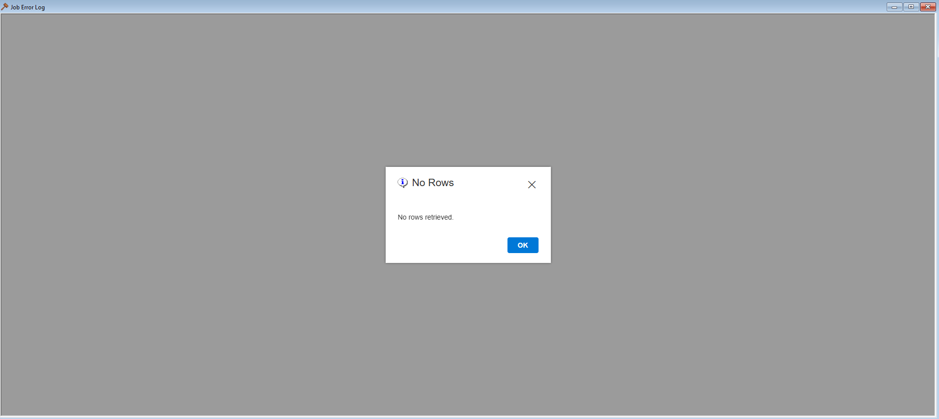 Searching for criteria with no results displays the No Rows error message. The error message has the following UI elements: 1*. Information logo is to the left of the error message header. 2*. Header font size is ~18 and font color is black. 3*. Background of the error message is white. 4*. "OK" button is blue with white font. 5*. "OK" button font size is ~12. 6*. Body font size is ~12. 7. "No rows retrieved." text includes a period. 8*. Hovering cursor over "OK" button or X changes the cursor to a hand with pointer finger. 9. Background of the window is replaced by grey color. *These items are present in all Blazor popups. | 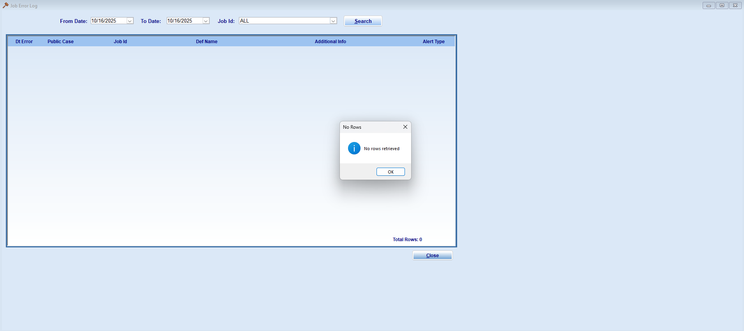 Searching for criteria with no results displays the No Rows error message. The error message has the following UI elements: 1. Information logo is to the left of the error message body. 2. Header font size is ~12 and font color is grey. 3. Background of the error message body is white, but the header and bottom sections are light grey. 4. "OK" button is white with black font. 5. "OK" button font size is ~9. 6. "No rows retrieved." font size is ~9. 7. "No rows retrieved" text does not include a period. 8. Hovering cursor over "OK" button or X maintains the arrow cursor. 9. Window is visible behind the error message. - 2 images included, one in Column H and one in Column I. | 2025-11-13 | Pass | 10/29: devs to review 11/13: Pass. Rows display in background of error message | 10/30 SM - has been addressed. ro results popup removed
35 | 2025-10-22 | Both | UI | Minor | No Action | Window | Window background color | Window background color is a light blue gradient. | Window background color is light blue. | 2025-11-13 | Pass |  | 11/4 SM - leaving as-is
36 | 2025-10-22 | Both | UI | Minor | No Action | Window | Window size | Window content spans the full width of the Vision application. | Window spans slightly more than half the width of Vision application. |  |  | 10/29: leave as-is
37 | 2025-10-22 | Both | UI | Minor | No Action | Window | Window Load | While window is loading, the bottom right time continues. | While window is loading, the bottom right time is paused. |  |  | 10/29: leave as-is
38 | 2025-10-24 | Both | Functionality | Minor | No Action | Column Headers | Column width is adjustable | 1. Search for a valid result 2. Hover cursor on white column border - cursor will change to vertical lines 3. Select white column border 4. Drag border left and right - column width will adjust | Column width is not adjustable. | 2025-11-13 | Pass | 10/29: leave as-is | 11/4 SM - leaving as-is
39 | 2025-10-24 | Both | UI | Minor | Resolved | Tooltip | Tooltip shape | 1. Search for a valid result 2. Hover cursor over any row value 3. Tooltip appears - tooltip shape is a rectangle | Tooltip shape is a speech bubble. | 2025-11-13 | Pass | 11/13: Defect addressed. See Defect 44 | 10/30 SM - addressed. Tooltip modified
40 | 2025-10-24 | Both | UI | Minor | Resolved | Additional Info | Adjusting column width | 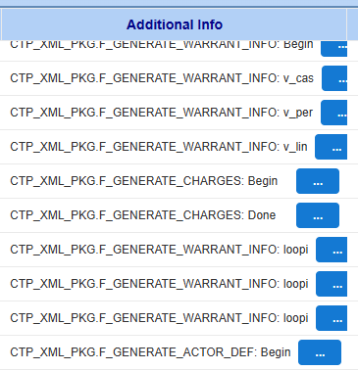 1. Search for a valid result 2. Minimize the "Additional Info" column width - blue "..." buttons are no longer in line |  | 2025-11-13 | Pass |  | 10/29 SM - addressed by making button its own column
41 | 2025-10-24 | Both | UI | Minor | No Action | Dt Error and Alert Type | Adjusting column width | Decreasing the column width to partially cut of the values causes 3 dots to appear in place of the missing characters. | Other Vision windows with this feature, such as ATP Dashboard and Summary Judgment window, will cut off the text. Other blazor columns do this as well. |  |  | 10/29: leave as-is | 11/6 SM - leaving as-is
42 | 2025-10-24 | Both | UI | Minor | Resolved | Window | Modifying Window Views - Horizontal | 1. Search for a valid result. 2. Open at least one window besides Job Error Log blazor. 3. On the top menu options, select "Window", then "Horizontal" - White area at the bottom of the window remains, which decreases the amount of data visible in the data section | 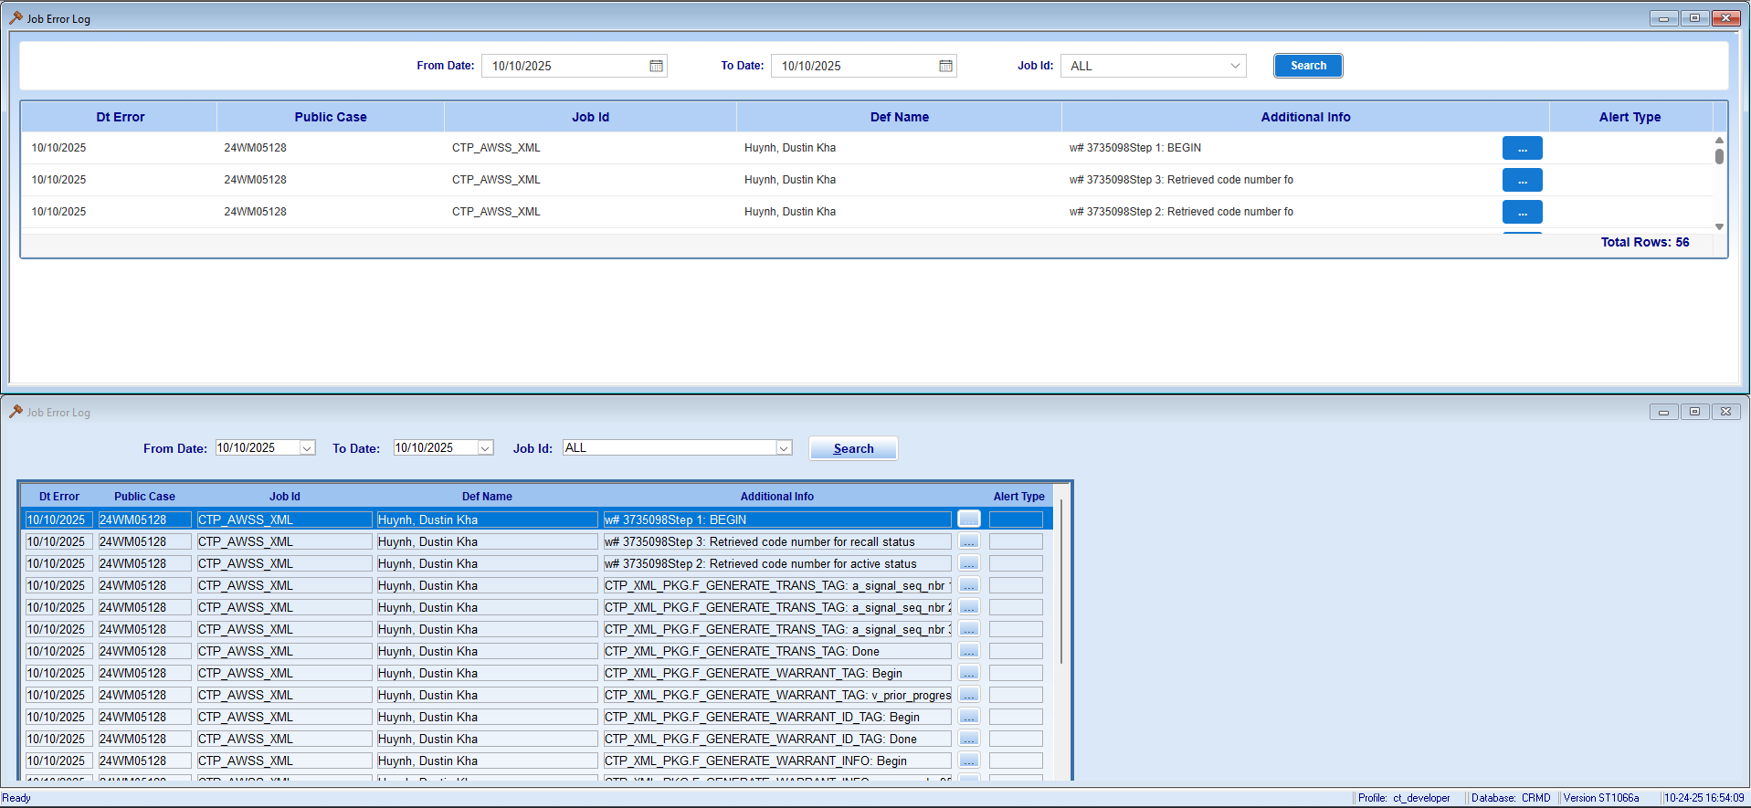 | 2025-11-13 | Pass |  | 10/30 SM - added dynamic height, please retest
43 | 2025-11-03 | Both | UI | Minor | Resolved | Window | Search | Ctrl + Shift + F search does not work | Ctrl + Shift + F applies search in data section | 2025-12-04 | Pass | 11/03: not included in blazor 11/13: Ctrl + F added in window with the same functionality 11/24: Devs to update | 11/25 SM - added CTRL+SHIFT+F keyboard shortcut to find.
44 | 2025-11-13 | Both | UI | Minor | Resolved | Window | Tooltip appears too quickly | When hovering cursor over a data, the tooltip immediately appears. | Hovering cursor over data takes ~1 second to appear. Previous QA version was a good pace. | 2025-12-04 | Pass | 11/24: Devs to fix | 11/25 SM - added 300 milliseconds delay when user first hovers over column with tooltip. Additionally, there is a close delay I can add if the tooltip closes to fast if requested.
45 | 2025-11-13 | Both | UI | Major | No Action | Search fields "From Date:" and "To Date:" | Typing in date field | 1. Select date field - cursor appears on right most cell 2. Select month section - both month digits highlight 3. Type month - days section highlights 4. Type day - year section highlights 5. Type year | Marked as major because this will affect all formatted date fields In existing window, the cursor will move to the next cell rather than highlighting all digits associated with the month/ day/ year |  |  | Overall for the date issues, the issue occurs because blazor highlights the month/ day/ year section, while PB uses cursor only 11/24: leave as is
46 | 2025-11-13 | Both | UI | Major | No Action | Search fields "From Date:" and "To Date:" | Modifying single digit month to 2 digit month | 1. Select and clear date field 2. Type valid single digit month date, such as 01/01/2025 3. Double click, or sometimes single click, the month section 4. Type "12" - 01/02/XXXX appears | Marked as major because this will affect all formatted date fields |  |  | 11/24: leave as is | 11/21 SM - could not reproduce issue
47 | 2025-11-13 | Both | UI | Major | No Action | Search fields "From Date:" and "To Date:" | Numbers populate incorrectly if "0" is typed | 1. Type a date into date field 2. Type '0' in highlight section - month, day, or year - '0' only is entered into the cell and you are not able to type the second character | Marked as major because this will affect all formatted date fields |  |  | 11/24: leave as is
48 | 2025-11-13 | Both | UI | Major | No Action | Search fields "From Date:" and "To Date:" | 00/00/0000 populates when date is invalid | 1. Clear date fields 2. Type invalid date into date fields, such as 12/00/0000 3. Exit the field 4. Select the field - 00/00/0000 displays | Marked as major because this will affect all formatted date fields |  |  | 11/24: leave as is | 11/21 SM - 2 options: can become 00/00/0000 or return to previously valid date - using an option called STRICT MODE 11/25 SM - using strict mode to reset the date to the last valid date entered. Additionally, I wanted to note the I set the minimum date able to 1/1/1900 in case this date appears in testing
49 | 2025-11-13 | Both | UI | Major | No Action | Search fields "From Date:" | 00/00/0000 populates when date is invalid | 1. Type old date into date field, such as 12/12/1200 2. Date field highlights as red 3. Type same old date into date field for 'To Date' field. 4. Date field is not highlighted red | Marked as major because this will affect all formatted date fields - 1 image for the defect |  |  | 11/24: leave as is | 11/21 SM - The to_date validation logic is working as designed. Since 12/12/1200 falls within the maximum date range from from_date, no validation error displays on to_date. Updated from_date to enforce a minimum value of 01/01/1900.
50 | 2025-11-13 | Web Only | UI | Minor | No Action | Help Button | Erraneous Help button in Web Version | There is an erraneous Help button on the top left of the window that has no functionality | Help button can be removed. |  |  | 11/24: leave as is
51 | 2025-11-17 | Web Only | UI | Minor | Resolved | Scroll | Window height allows for scroll | In Web version, you can slightly scroll down the main window. Should less rows be visible in the web version to prevent the scroll? |  | 2025-12-04 | Pass | 11/24: devs to fix | 11/25 SM - has been addressed. Window is responsive for powerbuilder and visionNG. No more vertical scrollbar
52 | 2025-12-04 | Web Only | UI | Regression | No Action | Scroll | Multiple Scroll bars on minimized window | After adjustment for Defect 51, new issue where there are 3 scroll bars on a minimized window. The middle and right most scroll bars work as expected. The left most scroll bar will scroll past the visible area. You will not be able to find the scroll bar location until you adjust the middle or right most scroll bars. | Possible Options: - Switch Job Error Log window to paging - remove left most scrollbar |  |  | 12/15: leave as is for now
53 | 2025-12-04 | Both | UI | Minor | Resolved | Ctrl + Shift + F | Search bar remains during refresh | 1. Type Ctrl + Shift + F - search field opens 2. Select F3 - refresh no longer works. When refresh does work, search field remains open. Can be closed with Esc only during the refresh |  | 2025-12-22 | Pass | 12/15: devs to address | 12/16 SM - Refresh readded. Search component is now hidden when the user refreshes. This has been updated across error code, event code, job error log and court control
54 | 2025-12-04 | Both | UI | Minor | Resolved | Ctrl + Shift + F | Typing or deleting in search bar | Typing or deleting text in the Ctrl + Shift + F search area causes the cursor to move back a space sporadically | Issue occurs in all windows | 2025-12-22 | Pass | 12/15: devs to address 12/22: Defect was not addressed. Demo version is not appearing in QA windows. 12/24: Leave as is | 12/18 SM - added a debouncer on the grid search component
55 | 2025-12-04 | Both | UI |  | No Action | Column Sort | Sort on empty cells | This is not a defect. No action item added for awareness. In PB if a column has both null values and values of any other datatype, the ascending and descending sort will display the null values on top. In Blazor, the null values will appear on top when sorted in ascending order and will appear on the bottom in descending order | BSAs discussed and agreed the Blazor behavior is preferred. Not a defect. This null sort behavior should be present in all Blazor windows moving forward. Down the line, we will need to check how the sort behavior works if the column has 2 datatypes and a null value. This occurs in some ATP Dashboard and Summary Judgment window columns.
56 | 2025-12-04 | Both | Functionality | Regression | No Action | Date Fields | Strict Mode | Instead of having fluid validation on the date fields, the date fields will automatically correct to a valid date range |  |  |  | 12/15: leave as is
57 | 2025-12-11 | Both | Functionality | Major | No Action | Window | Buttons do not work on initial open | When initially opening the window, the calendar icons did not work, the date field selection was not the month/ day/ year highlighting it normally has, and the job id dropdown button did not work | Not sure if this is replicable |  |  | 12/15: leave as is for now
58 | 2025-12-22 | Both | UI |  | No Action | Window Column(s) | Column filter if date timestamp varies | 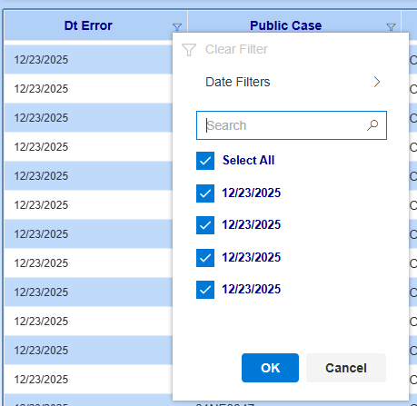 Not a defect, but item added for awareness. If the same date with different time stamps exist in a column, the Column Filter will show multiple options. | If date column includes time stamps in the future, the filter should capture the date and not the time stamp
59 | 2025-12-24 | Both | Functionality | Minor | Resolved | F3 Refresh | Column filters remain after F3 refresh | 1. apply column filter 2. F3 refresh 3. Go to the date range and job id that had the filtered column -column filter remains | The filter will remain if you use different search criteria, but it is easiest to see if you use the same search criteria | 2026-01-14 | Pass
60
61
62
63

